Appreciation
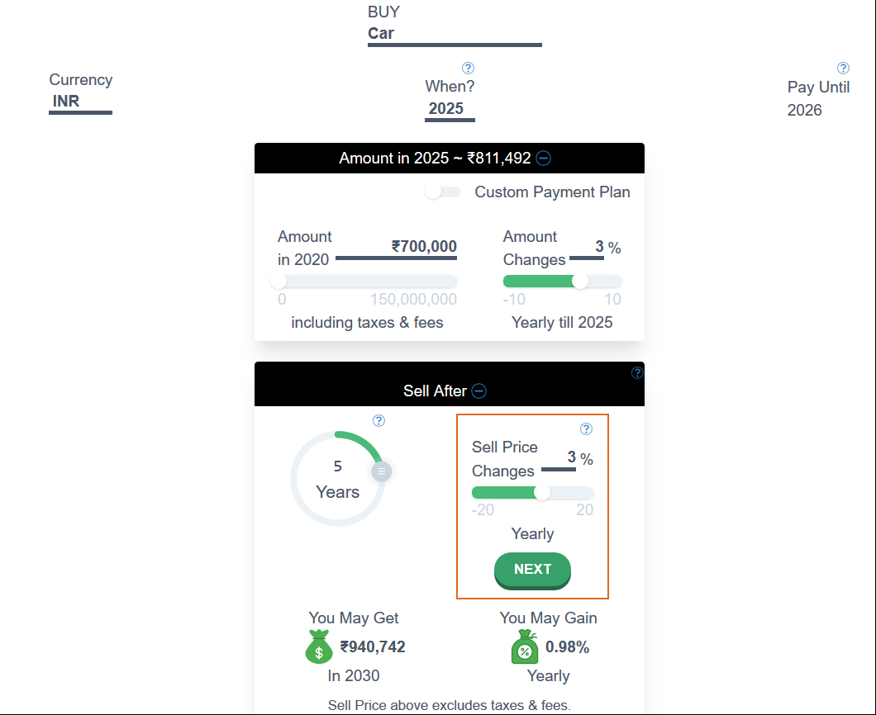
Principal (PV) | Rate ( R) | Period (n) | Interest - Yearly Compunded | Remarks
700000 | 0.03 | 5 | 811491.85201 | Round off value is right
811491.85201 | 0.03 | 5 | 940741.46554
700000 | 0.03 | 10 | 940741.46554 | Yearly gain? How is it calculated
 |  |  | formula is right

Depreciation
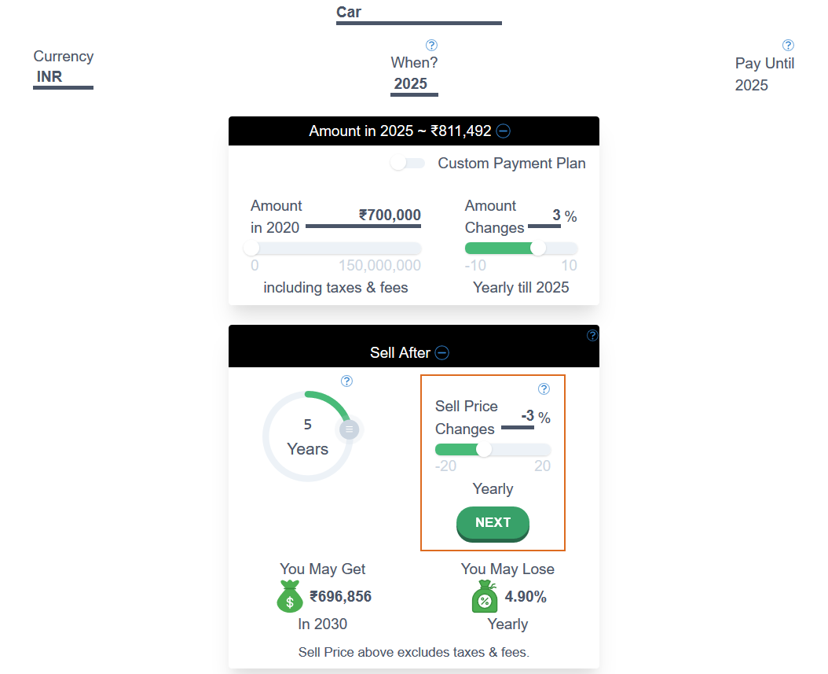
Principal (PV) | Rate ( R) | Period (n) | Interest - Yearly Compunded | Remarks
700000 | 0.03 | 5 | 811491.85201 | Round off value is right
811491.85201 | -0.03 | 5 | 696855.6649
 |  |  | formula is right | How is yearly loss determined?

Loan
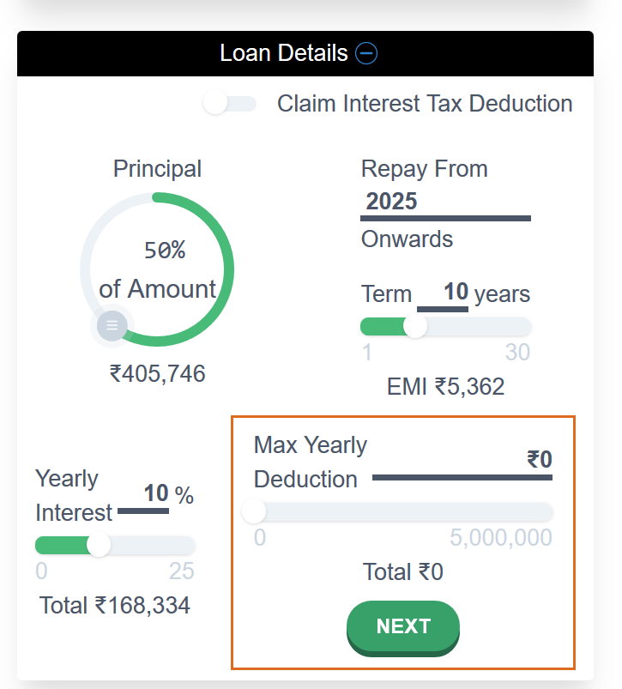
Principal (PV) | Rate ( R) | Period (n) | Value After n Years (FV)
700000 | 0.03 | 5 | 811491.85201
811491.85201 | -0.03 | 5 | 696855.6649

Loan % | 0.5 | User Input
Loan Tenure (years) | 10 | User Input
Loan Rate | 0.1 | User Input
Monthly loan Rate | 0.0083333333333
Loan Amount | 405745.926
Rounded loan amount | 405746
Number of payments | 120
Monthly EMI | 5362 | Function Created
Total Payment (Principal + Interest) | 643440
Total Interest Payable | 237694

Remarks | All the calculation are right
 | How is total Yearly Interest amount calculated?

Cash Flows
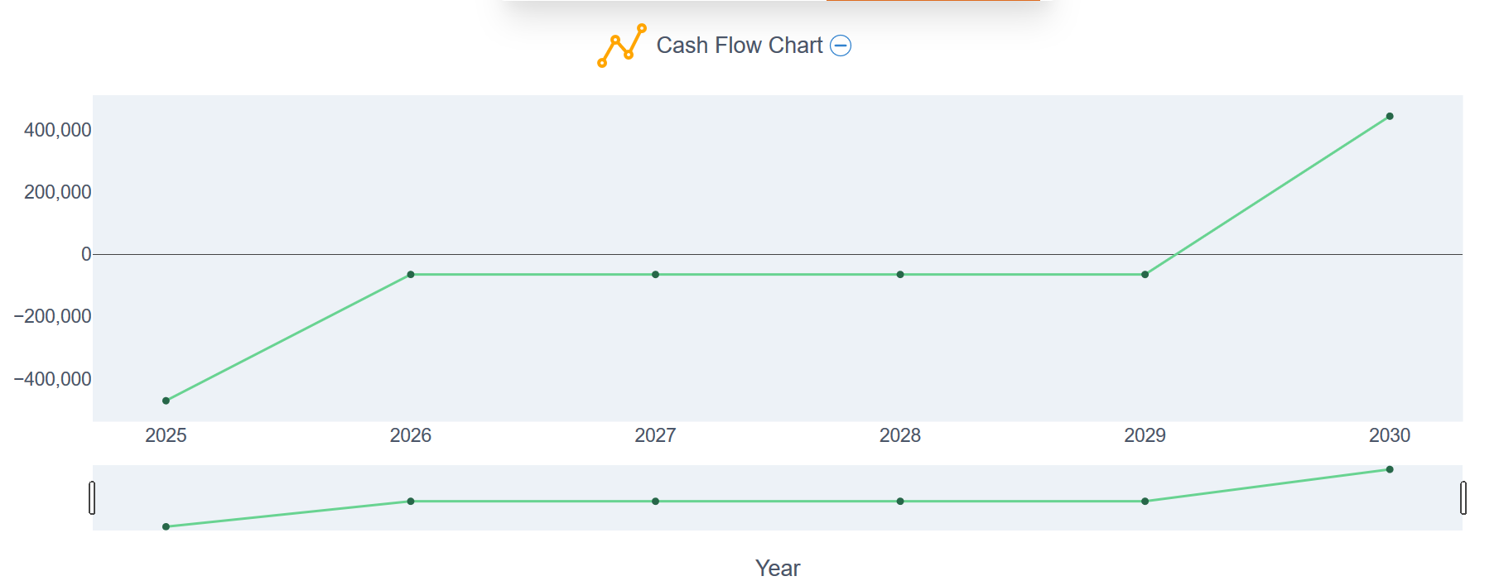
Year | Principal To be Paid | Loan | EMI Monthly | Total Yearly EMI | Ending Balance | Remarks
2025 | -811,492 | 405746 | -5362 | -64344 | -470,090 | Correct
2026 | 0 | 0 | -5362 | -64344 | -64,344 | Correct
2027 | 0 | 0 | -5362 | -64344 | -64,344 | Correct
2028 | 0 | 0 | -5362 | -64344 | -64,344 | Correct
2029 | 0 | 0 | -5362 | -64344 | -64,344 | Correct
2030 |  |  |  |  |  | I did not understand this last one

